HDGETF

HDFC Gold Exchange Traded Fund. (AN OPEN ENDED EXCHANGE TRADED FUND) |  |  |  |  |  |  |  |  |  | Income | Hybrid
Portfolio as on 31-Mar-2023

 | ISIN | Coupon (%) | Name Of the Instrument | Industry+ /Rating | Quantity | Market/ Fair Value (Rs. in Lacs.) | % to NAV | Yield | ~YTC (AT1/Tier 2 bonds)
 | DEBT INSTRUMENTS
 | (a) Listed / awaiting listing on Stock Exchanges
 | Gold
l | INFGLDBAR1KG |  | Gold - Gold |  | 6,098 | 363,775.75 | 98.14
 | Sub Total |  |  |  |  | 363,775.75 | 98.14
 | Total |  |  |  |  | 363,775.75 | 98.14
 | MONEY MARKET INSTRUMENTS
 | TREPS - Tri-party Repo
 |  |  | TREPS - Tri-party Repo |  |  | 353.90 | 0.10 | 6.9086
 | Reverse Repo
 |  |  | Reverse Repo |  |  | 379.14 | 0.10 | 7.4238
 | Sub Total |  |  |  |  | 733.04 | 0.20
 | Total |  |  |  |  | 733.04 | 0.20
 | OTHERS
 | Net Current Assets
 |  |  | Net Current Assets |  |  | 6,149.81 | 1.66
 | Sub Total |  |  |  |  | 6,149.81 | 1.66
 | Total |  |  |  |  | 6,149.81 | 1.66

 | Grand Total |  |  |  |  | 370,658.60 | 100.00
| | Top Seven Holdings
 | + Industry Classification as recommended by AMFI
 | £ - Sponsor Company
 | ** Thinly Traded/ Non-Traded Securities (Equity) as on March 31, 2023
 | ^ Non-Traded Securities (Debt) as on March 31, 2023
 | # Non Sensex Scrips
 | @ Less than 0.01%.
 | ~ YTC i.e. Yield to Call is disclosed at security level only for Additional Tier 1 Bonds and Tier 2 Bonds issued by Banks as per AMFI Best Practices Notification 135/BP/91/2020-21 read with SEBI circular SEBI/HO/IMD/DF4/CIR/P/2021/034

 | Portfolio Classification by Asset Class(%)
 | Gold |  | 98.14
 | Cash, Cash Equivalents and Net Current Assets |  | 1.86
 | Portfolio Classification by Rating Class(%)
 | Gold |  | 98.14
 | Cash, Cash Equivalents and Net Current Assets |  | 1.86

 | Exposure to top four sectors(%)
 | Gold |  | 98.14

 | Exposure to top seven groups(%)
 | Gold |  | 98.14

 | Notes :
 | 1) NAV History
 | NAVs per unit (Rs.) | March 31, 2023 | February 28, 2023
 | Growth Option | 52.5088 | 48.5246

 | Dividend History - Dividend declared during the month ended March 31, 2023 : Nil

 | Bonus History - Bonus declared during the month ended March 31, 2023: Nil

 | 2) Total below investment grade or default provided for and its percentage to NAV : Nil
 | 3) Total investments in Foreign Securities / Overseas ETFs / ADRs / GDRs : Nil
 | 4) Repo in Corporate Debt : Nil
 | 5) Total outstanding exposure in Derivative Instruments as on Mar 31, 2023 : Nil
 | 6) Pursuant to SEBI Circular SEBI/HO/IMD/DF3/CIR/P/2020/194 dated October 05, 2020, name of all the existing dividend plan / option of all mutual fund schemes has been renamed as IDCW (Income Distribution cum Capital Withdrawal) Plan / Option with effect from April 01, 2021
 | 7) Riskometer based on Scheme Portfolio and Portfolio Benchmark "Domestic Price of Physical Gold" as on Mar 31, 2023

 | Scheme Riskometer:
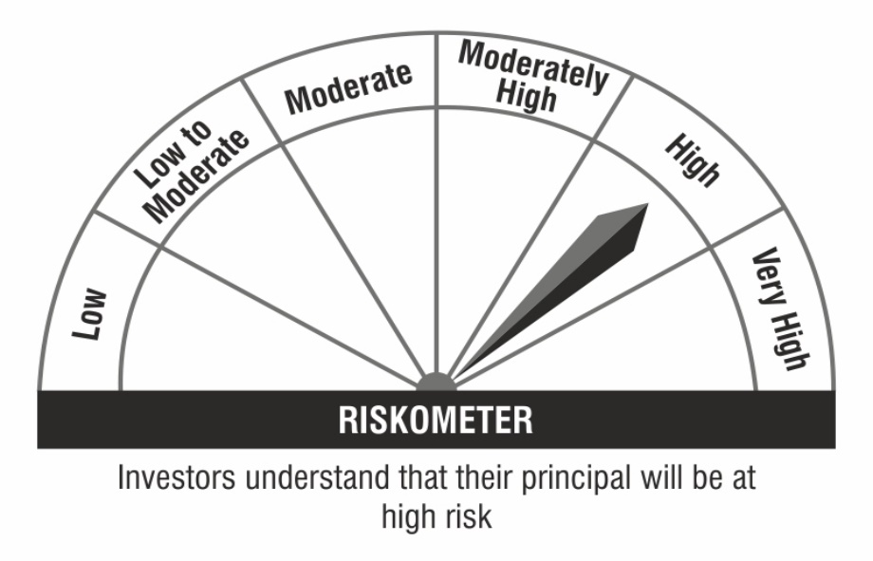

 | Benchmark Riskometer:

